Your Capability Profile
YOUR CAPABILITY PROFILE

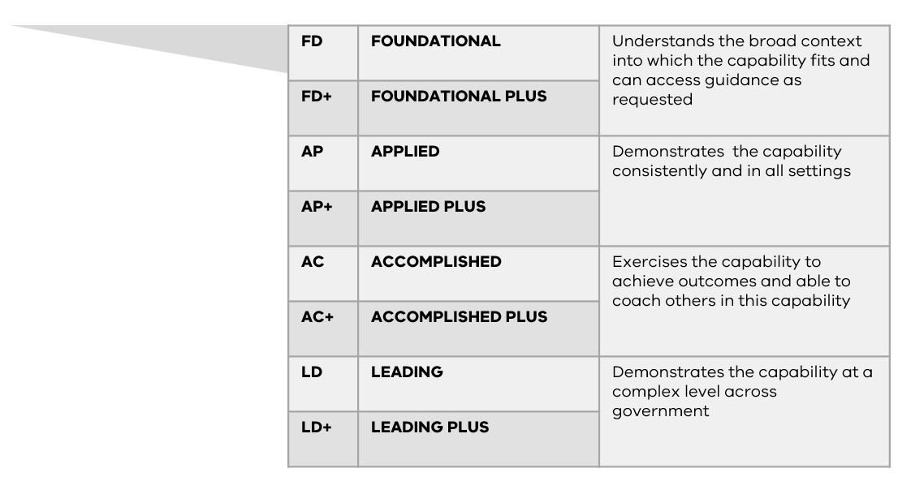
 | FD | FD+ | AP | AP+ | AC | AC+ | LD | LD+

PERSONAL ATTRIBUTES
Resilience | #N/A | #N/A | #N/A | #N/A | #N/A | #N/A | #N/A | #N/A

Flexibility & adaptability | #N/A | #N/A | #N/A | #N/A | #N/A | #N/A | #N/A | #N/A

Outcomes Thinking | #N/A | #N/A | #N/A | #N/A | #N/A | #N/A | #N/A | #N/A

Working collaboratively | #N/A | #N/A | #N/A | #N/A | #N/A | #N/A | #N/A | #N/A

Promote inclusion | #N/A | #N/A | #N/A | #N/A | #N/A | #N/A | #N/A | #N/A

Self awareness | #N/A | #N/A | #N/A | #N/A | #N/A | #N/A | #N/A | #N/A

MEANINGFUL OUTCOMES
Strategic Planning | #N/A | #N/A | #N/A | #N/A | #N/A | #N/A | #N/A | #N/A

Partnering & Co-Creation | #N/A | #N/A | #N/A | #N/A | #N/A | #N/A | #N/A | #N/A

Innovation & Continuous Improvement | #N/A | #N/A | #N/A | #N/A | #N/A | #N/A | #N/A | #N/A

Systems Thinking | #N/A | #N/A | #N/A | #N/A | #N/A | #N/A | #N/A | #N/A

Policy Design & Development | #N/A | #N/A | #N/A | #N/A | #N/A | #N/A | #N/A | #N/A

Future Focus | #N/A | #N/A | #N/A | #N/A | #N/A | #N/A | #N/A | #N/A

ENABLING DELIERY
Critical Thinking & Problem Solving | #N/A | #N/A | #N/A | #N/A | #N/A | #N/A | #N/A | #N/A

Project Delivery | #N/A | #N/A | #N/A | #N/A | #N/A | #N/A | #N/A | #N/A

Data Literacy | #N/A | #N/A | #N/A | #N/A | #N/A | #N/A | #N/A | #N/A

Digital & Technological Literacy | #N/A | #N/A | #N/A | #N/A | #N/A | #N/A | #N/A | #N/A

Business & Commercial Acumen | #N/A | #N/A | #N/A | #N/A | #N/A | #N/A | #N/A | #N/A

Political & Organisational Context | #N/A | #N/A | #N/A | #N/A | #N/A | #N/A | #N/A | #N/A

AUTHENTIC RELATIONSHIPS
Influence & Persuasion | #N/A | #N/A | #N/A | #N/A | #N/A | #N/A | #N/A | #N/A

Interpersonal Skills | #N/A | #N/A | #N/A | #N/A | #N/A | #N/A | #N/A | #N/A

Managing Difficult Conversations | #N/A | #N/A | #N/A | #N/A | #N/A | #N/A | #N/A | #N/A

Communicate with Impact | #N/A | #N/A | #N/A | #N/A | #N/A | #N/A | #N/A | #N/A

Stakeholder Management | #N/A | #N/A | #N/A | #N/A | #N/A | #N/A | #N/A | #N/A

Customer Focus | #N/A | #N/A | #N/A | #N/A | #N/A | #N/A | #N/A | #N/A

PEOPLE LEADERSHIP
Managing People | #N/A | #N/A | #N/A | #N/A | #N/A | #N/A | #N/A | #N/A

Develop capability | #N/A | #N/A | #N/A | #N/A | #N/A | #N/A | #N/A | #N/A

Team Management | #N/A | #N/A | #N/A | #N/A | #N/A | #N/A | #N/A | #N/A

Lead and navigate change | #N/A | #N/A | #N/A | #N/A | #N/A | #N/A | #N/A | #N/A

Knowledge management & business continuity | #N/A | #N/A | #N/A | #N/A | #N/A | #N/A | #N/A | #N/A

Resource mobilisation | #N/A | #N/A | #N/A | #N/A | #N/A | #N/A | #N/A | #N/A

